Use_Case
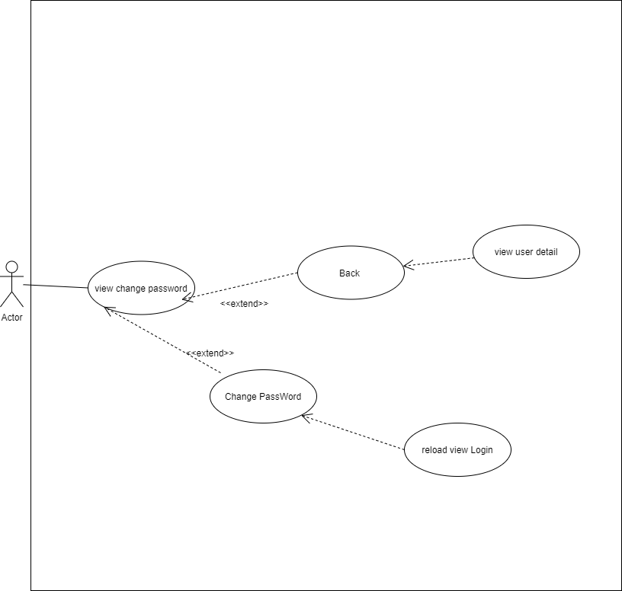
6.1.2 Chi tiết User

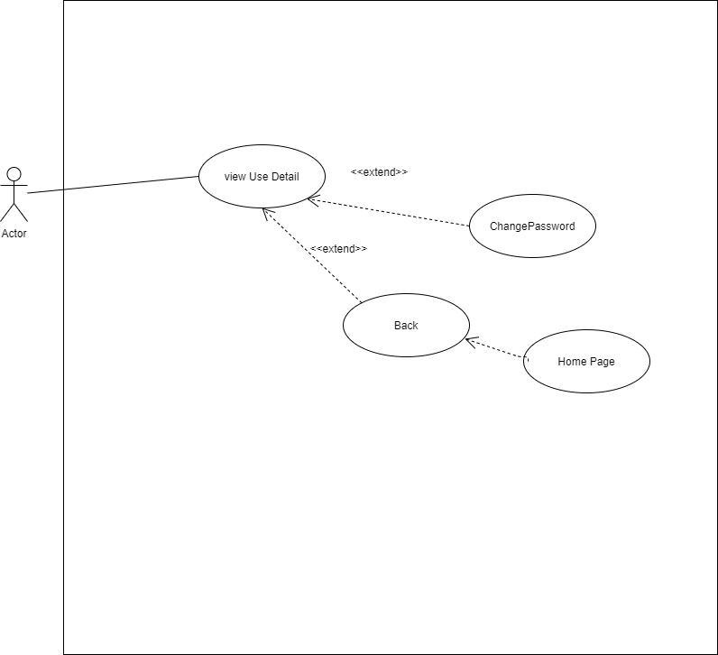

6.1.3 Đổi password

Class_Diagram
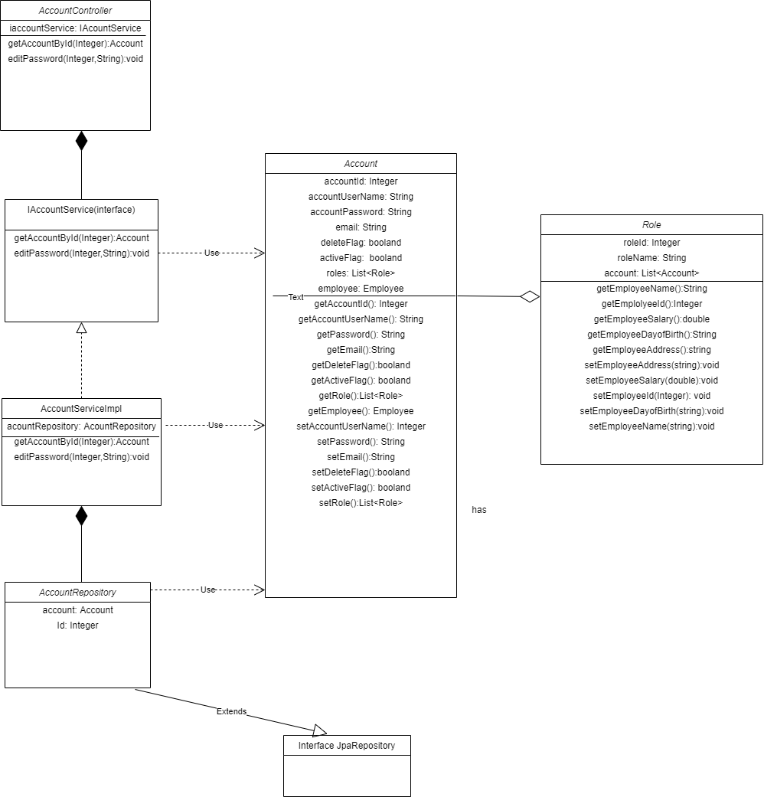
6.1.2 Màn hình thông tin tài khoản

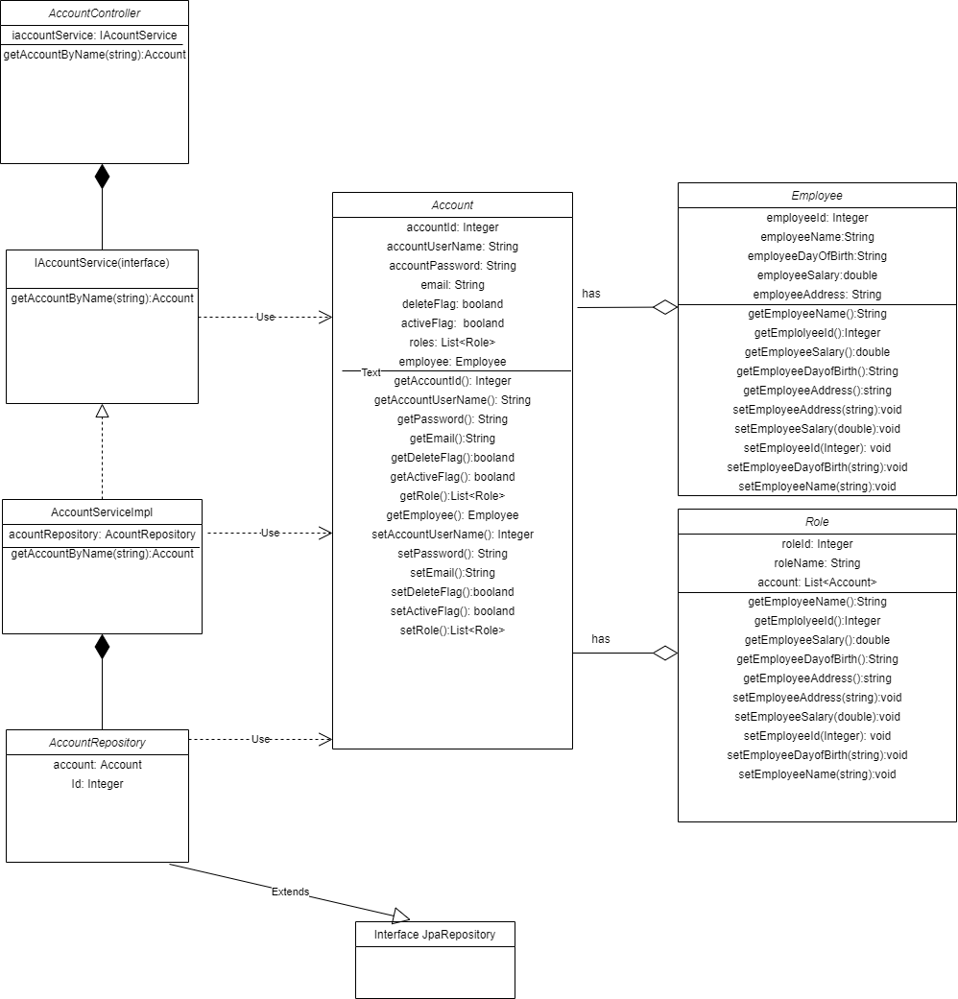

6.1.3.Màn hìnhđổi mật khẩu

Sequence_Diagram
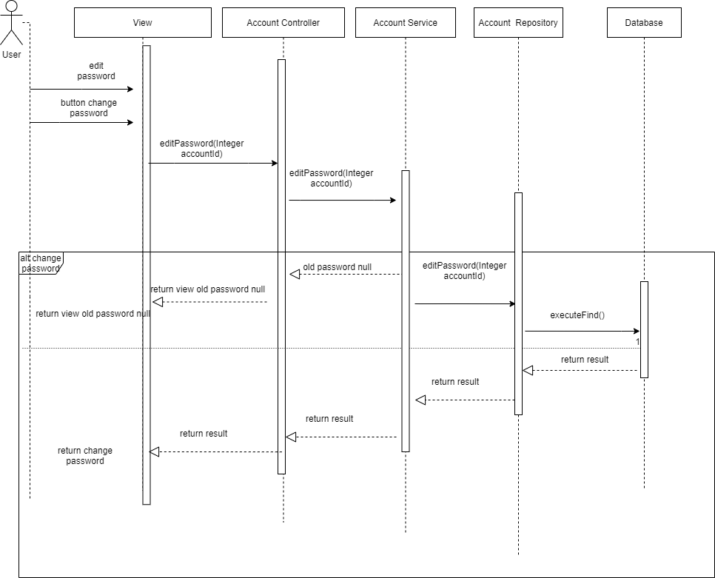
6.1.2 Màn hình xem thông tin User

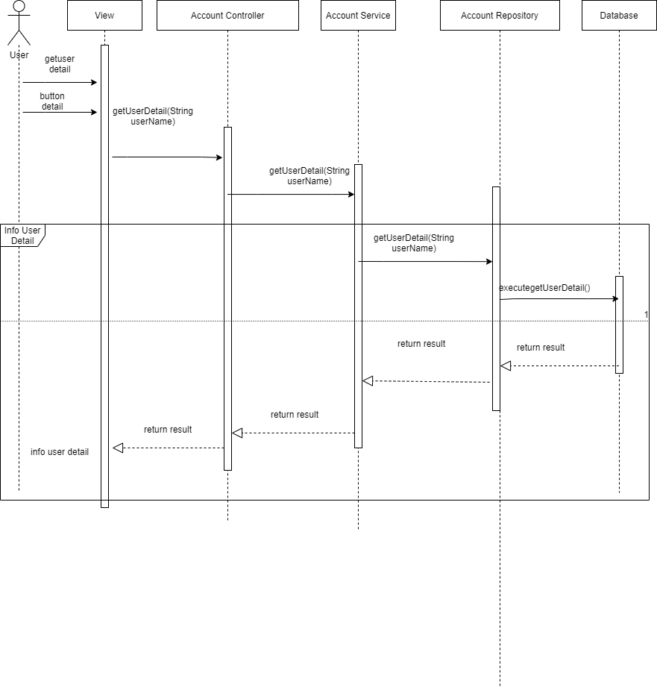

6.1.3 Màn hình đổi mật khẩu

